WB 10 jul 2017
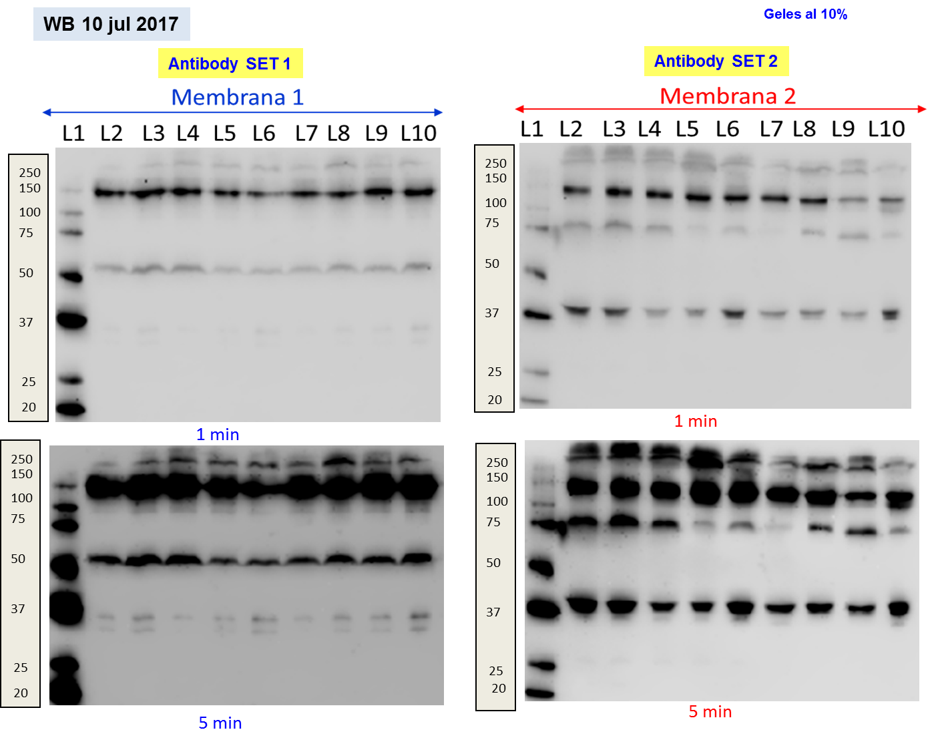
 |  | 10/07/2017 / Membrane 1 / SET 1
Exposition time | Mw (kDa) | Protein/Lane | L2 | L3 | L4 | L5 (Reference) | L6 | L7 | L8 | L9 | L10
30 s | 150 | FH | 1,792,541 | 2,426,887 | 2,053,578 | 1,508,072 | 1,064,660 | 1,465,082 | 1,435,599 | 1,752,339 | 1,836,211
3 min | 63 | FHR5 | 6,036,757 | 8,785,596 | 8,121,615 | 3,818,797 | 3,752,979 | 4,410,342 | 4,911,828 | 5,424,093 | 8,190,011
8 min | 43 | FHL1+FHR1beta | 2,031,054 | 1,748,802 | 1,834,879 | 1,615,227 | 2,602,692 | 2,515,197 | 4,181,503 | 4,298,280 | 4,872,464
8 min | 37 | FHR1alfa | 1,045,461 | 913,715 | 914,515 | 890,702 | 1,347,668 | 1,394,937 | 2,422,292 | 2,329,170 | 2,707,927
 |  | 10/07/2017 / Membrane 2 / SET 2
Exposition time | Mw (kDa) | Protein/Lane | L2 | L3 | L4 | L5 (Reference) | L6 | L7 | L8 | L9 | L10
 | 150 | FH
4 min? 8 min? | 75 | FHR4A | 10,191,997 | 11,609,366 | 6,155,774 | 2,390,167 | 3,693,967 | 1,209,275 | 2,799,897 | 5,719,909 | 2,188,106
2 min | 45 | FHR4B + FHR3 | 6,823,462 | 5,553,530 | 2,366,561 | 2,703,971 | 5,845,619 | 2,832,039 | 3,010,046 | 2,404,442 | 5,057,383

